INSTRUCTIONS
ADL Capability Maturity Assessment Form

This rubric consists of two sections:
There are separate worksheets for each of the five dimensions. On each worksheet you will be scoring the key process areas to assess your organization's level of maturity in that area.
Maturity Levels:
Please use the maturity levels described below in the graphic when scoring and reviewing your analysis.

The Graph Data page includes an analysis of your scores across the five assessed dimensions:
Commitment – the way data is understood, valued and treated
Design – design of learning components, systems, and environments built on learning science and learning engineering
Human Infrastructure – the multidisciplinary coordination of human contributions to the learning ecosystem
Technological Infrastructure – The organization’s technological-enabled learning architecture: instructional systems, interoperability standards, software services
Data Infrastructure – the support of data management capabilities through tools and applications
Your score is shown in the top left corner with an explanation of how that relates to a maturity level. Below that is a table breaking down the score into the five dimensions. The radar charts show how much each of your answers to those questions made up the score in each dimension.

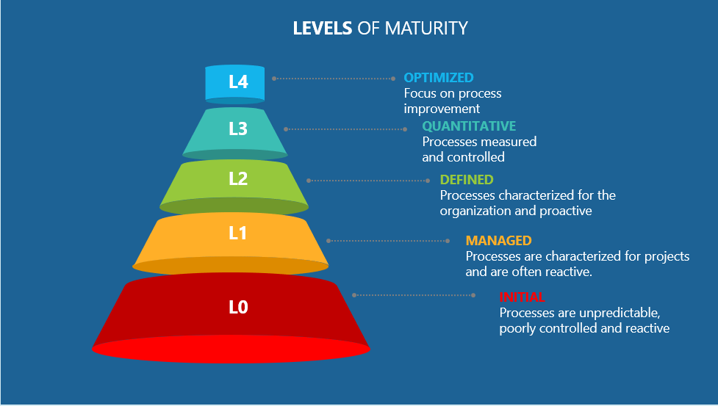

MATURITY ANALYSIS
SUMMARY
COMMITMENT
MATURITY ASSESSMENT ANALYSIS
 |  | Legend
 |  | Most Mature
 |  | Least Mature

SUMMARY | Assessment blocks | Average Scores
 | COMMITMENT | 0.00
 | DESIGN | 0.00
 | HUMAN INFRASTRUCTURE | 0.00
 | TECHNOLOGICAL INFRASTRUCTURE | 0.00
 | DATA INFRASTRUCTURE | 0.00
AVERAGE |  | 0.00
COMMITMENT | VISION | 0.00
 | PROFESSIONAL DEVELOPMENT | 0.00
 | FINANCIAL PLANNING | 0.00
 | GRANULARITY - TRAINING RECORDS | 0.00
 | INTERNATIONAL COOPERATION | 0.00
AVERAGE |  | 0.00
DESIGN
HUMAN INFRASTRUCTURE
DESIGN | LEARNING POLICY | 0.00
 | LEARNING CULTURE | 0.00
 | LEARNING ENVIRONMENT | 0.00
 | PAH CONTINUUM | 0.00
 | BUSINESS RULES | 0.00
 | INSTRUCTIONAL DESIGN | 0.00
 | CURRICULUM DESIGN | 0.00
 | ASSESSMENT DESIGN | 0.00
AVERAGE |  | 0.00
HUMAN INFRASTRUCTURE | WORKFORCE DEVELOPMENT | 0.00
 | PROFESSIONAL DEVELOPMENT | 0.00
 | MENTORING & COACHING | 0.00
 | TRAINING REQUIREMENTS | 0.00
 | KNOWLEDGE MANAGEMENT | 0.00
 | ENTERPRISE COLLABORATION | 0.00
 | LEARNING RESOURCES | 0.00
 | QUALITY ASSURANCE | 0.00
TECHNOLOGICAL INFRASTRUCTURE
DATA INFRASTRUCTURE
 | CHANGE MANAGEMENT | 0.00
 | STANDARDS | 0.00
AVERAGE |  | 0.00
TECHNOLOGICAL INFRASTRUCTURE | GOVERNANCE | 0.00
 | EXTENSIBILITY | 0.00
 | UBIQUITOUS LEARNING ENV | 0.00
 | TRAINING MANAGEMENT | 0.00
 | SECURITY | 0.00
 | PRIVACY | 0.00
 | LEARNER ID MANAGEMENT | 0.00
AVERAGE |  | 0.00
DATA INFRASTRUCTURE | DATA STRATEGY | 0.00
 | DATA ANALYSIS | 0.00
 | DATA MANAGEMENT | 0.00
 | DATA-DRIVEN DECISIONS | 0.00
 | DATA INTEROPERABILITY | 0.00
 | HUMAN RESOURCES | 0.00
 | DATA RIGHTS | 0.00
AVERAGE |  | 0.00

